Questions
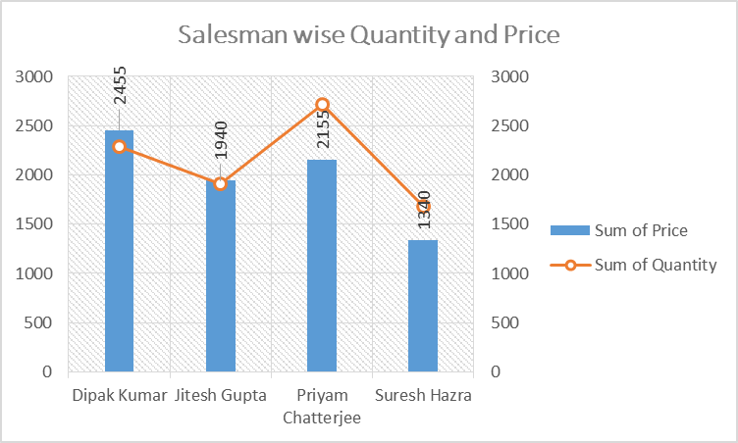
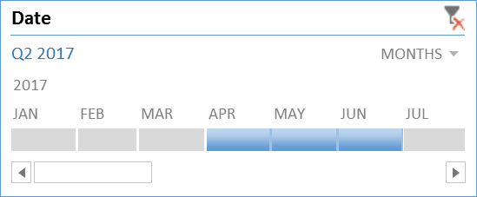
 | Create different types of Pivot Table and Chart

Refer-Database 1 Sheet
1. Create a pivot chart in Chart 1 sheet as below format. Also insert a slicer on Fruit and show only the data of Apple, Mango and Orange.
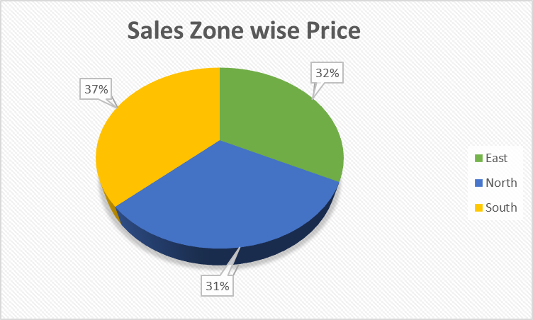
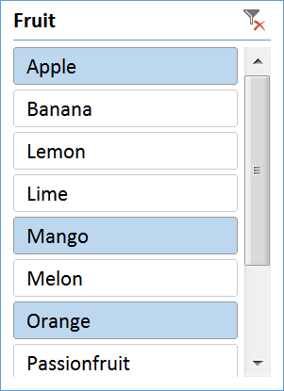

2. Create a pivot chart and table in Chart 2 sheet as below format and show the data of Quarter 2 only.
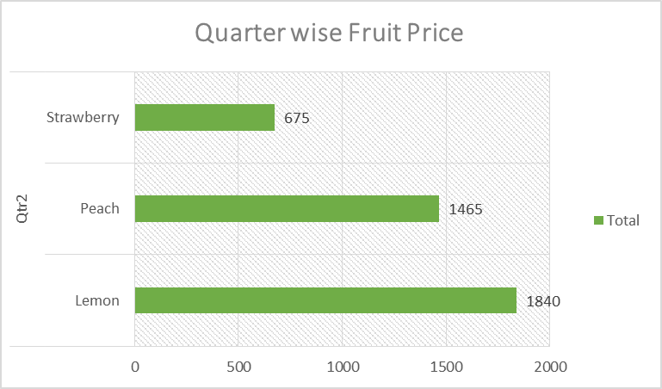

3. Create a pivot chart in Chart 3 sheet as below format. Also insert a timeline on Date and show only the data of Dipak Kumar, Jitesh Gupta, Priyam Chatterjee and Suresh Hazra for April 2017 to June 2017.

